read the display
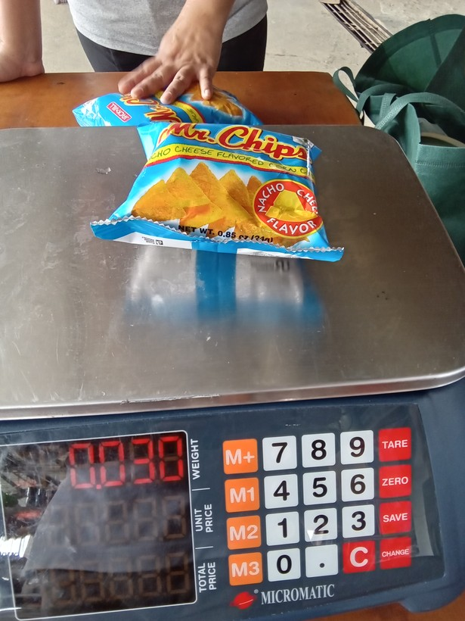
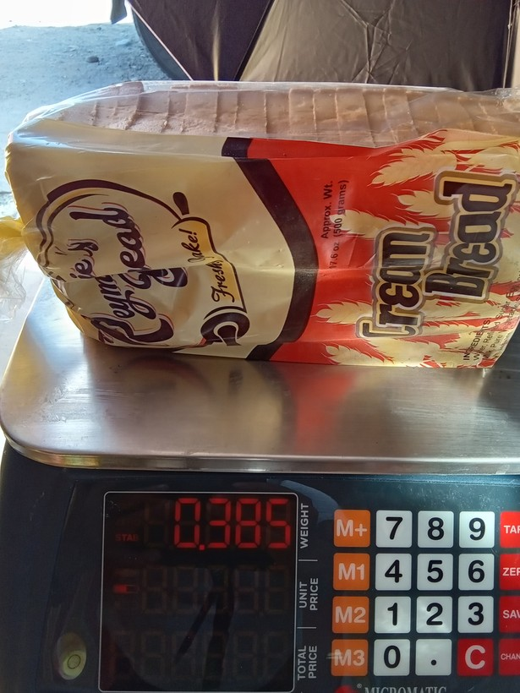
row | image_code | photograph | pull_item | raw_weight | raw_tick | published_now | proposed_value | times_off | photo_unit | photo_src | pub_rule | approve | correct_value | notes
1 | 1773970030451 |  | crackers, cookies, buiscuits, chips/curls | 0.029999999 | grams (g) | 30 | 24 | 1.25 | g | sonnet sweep + g label | log10 median | yes
2 | 1773993582616 |  | loaf bread | 0.38499999 | grams (g) | 385 | 500 | 1.3 | g | sonnet sweep + g label | log10 median | no | 385 g
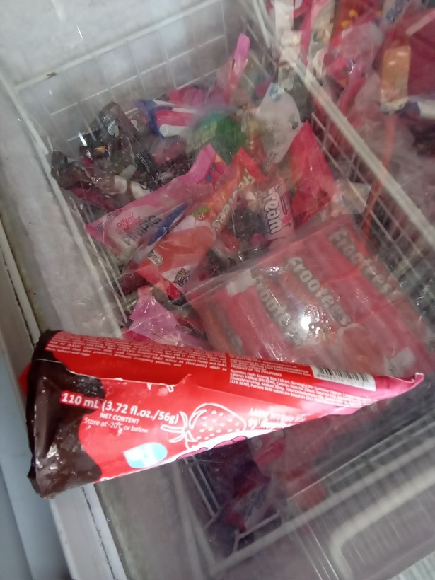
3 | 1778476863778 |  | ice cream, sorbet, edible ice (eg., ice-lolli, halo-halo) | 0.11 | Litres (L) | 110 | 56 | 1.96 | g | package label (g) | log10 median | yes
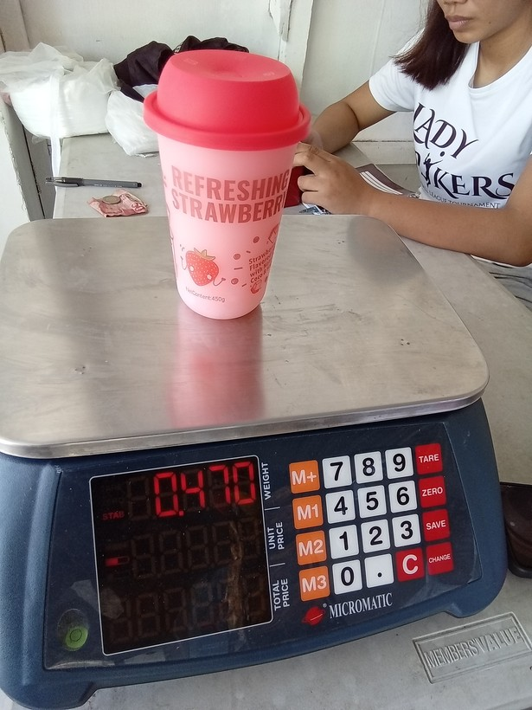
4 | 1775701177913 |  | drinks at restaurant, hotel, cafe, or kiosk | 0.47 | grams (g) | 470 | 450 | 1.04 | g | sonnet hi-res + g label | log10 median | no | 470 g
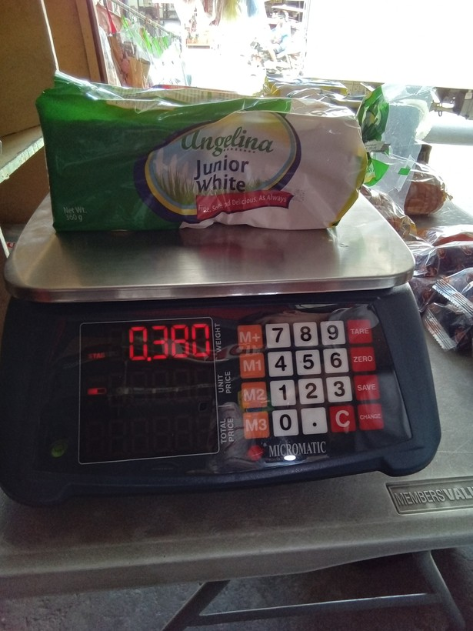
5 | 1773801430653 |  | loaf bread | 0.38 | grams (g) | 380 | 350 | 1.09 | g | sonnet sweep + g label | log10 median | no | 360 g
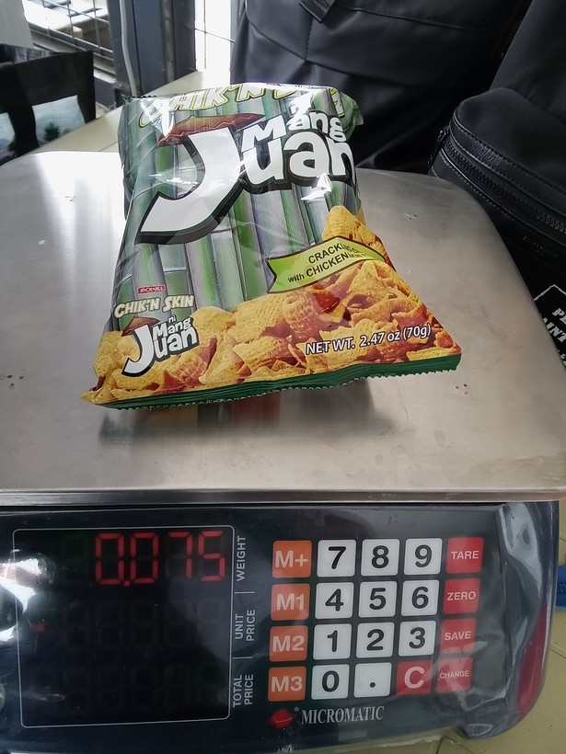
6 | 1773968407167 |  | crackers, cookies, buiscuits, chips/curls | 0.075000003 | grams (g) | 75 | 70 | 1.07 | g | sonnet sweep + g label | log10 median | yes
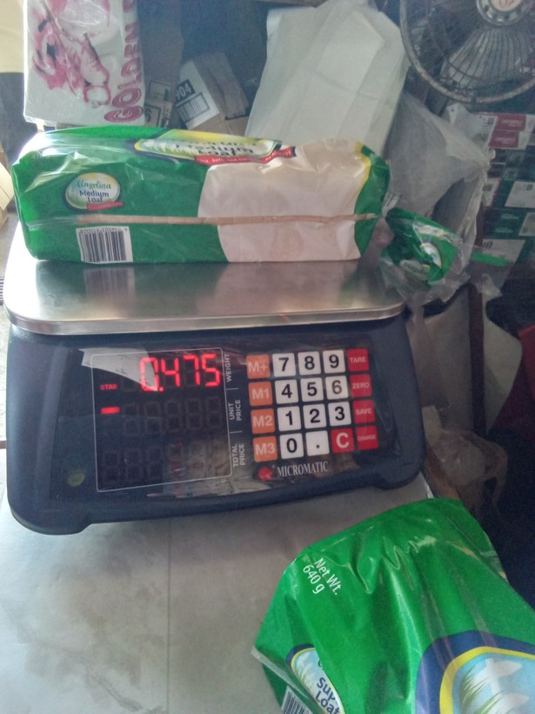
7 | 1773808882865 |  | loaf bread | 0.47499999 | grams (g) | 475 | 640 | 1.35 | g | sonnet sweep + g label | log10 median | no | 475 g
8 | 1776824685368 | 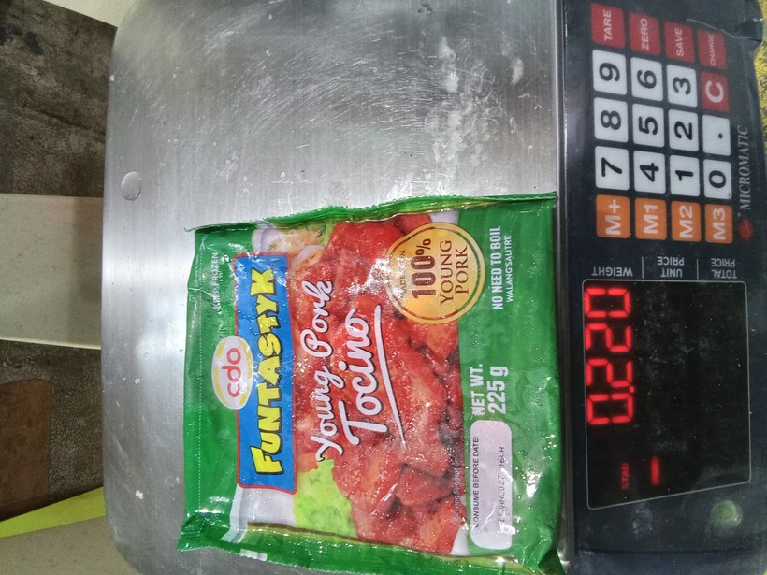 | preserved or processed meat (tocino, tapa, longaniza, etc) | 0.22 | grams (g) | 220 | 225 | 1.02 | g | sonnet sweep + g label | log10 median | no | 220 g
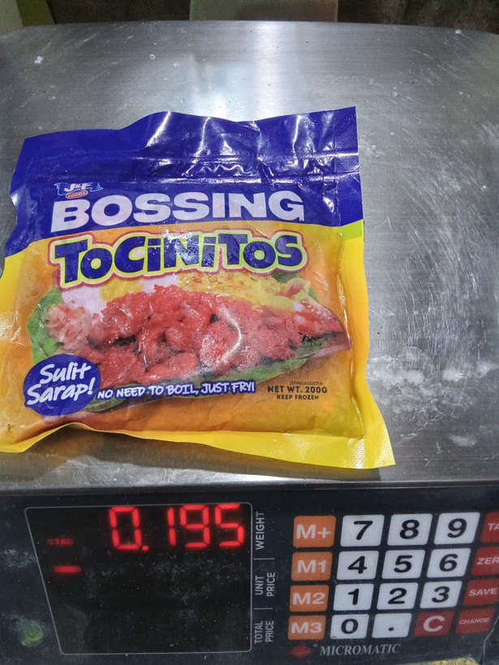
9 | 1776824662897 |  | preserved or processed meat (tocino, tapa, longaniza, etc) | 0.19499999 | grams (g) | 195 | 200 | 1.03 | g | sonnet sweep + g label | log10 median | no | 195 g
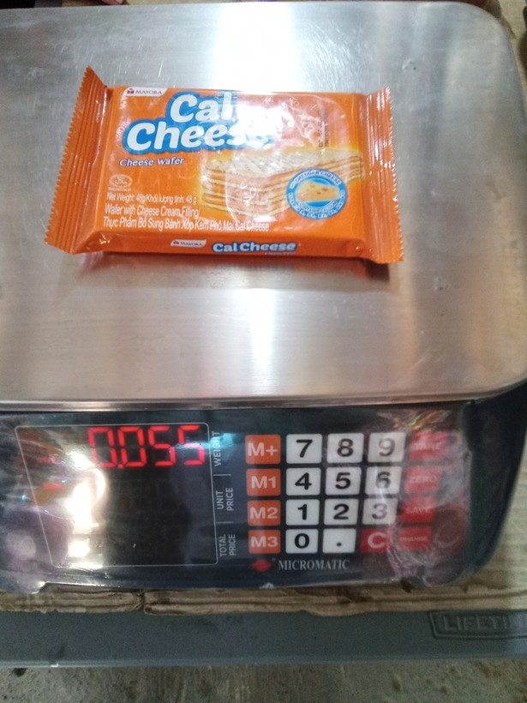
10 | 1773725397529 |  | crackers, cookies, buiscuits, chips/curls | 0.055 | grams (g) | 55 | 40 | 1.38 | g | sonnet sweep + g label | log10 median | yes
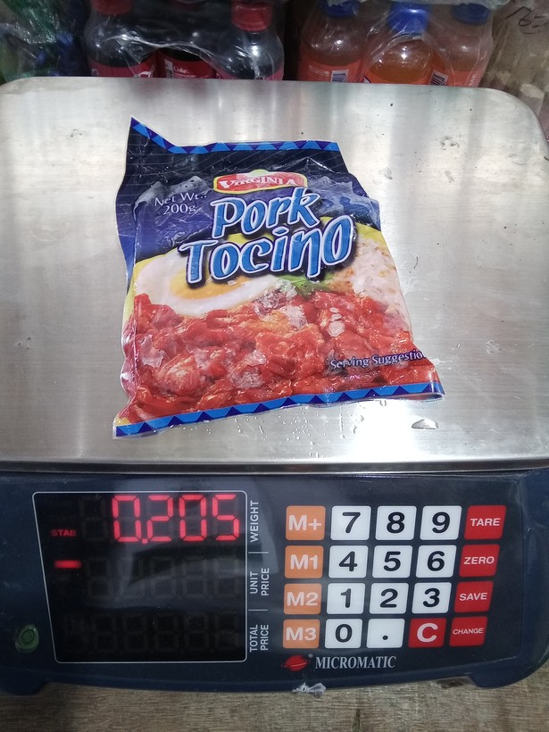
11 | 1773723866617 |  | preserved or processed meat (tocino, tapa, longaniza, etc) | 0.205 | grams (g) | 205 | 200 | 1.03 | g | sonnet sweep + g label | log10 median | yes
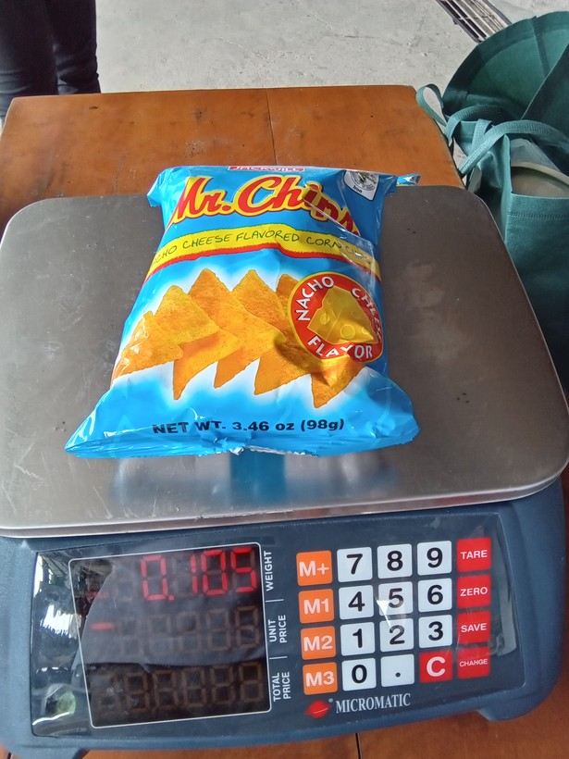
12 | 1773970055622 |  | crackers, cookies, buiscuits, chips/curls | 0.105 | grams (g) | 105 | 98 | 1.07 | g | sonnet sweep + g label | log10 median | yes
13 | 1774421610417 | 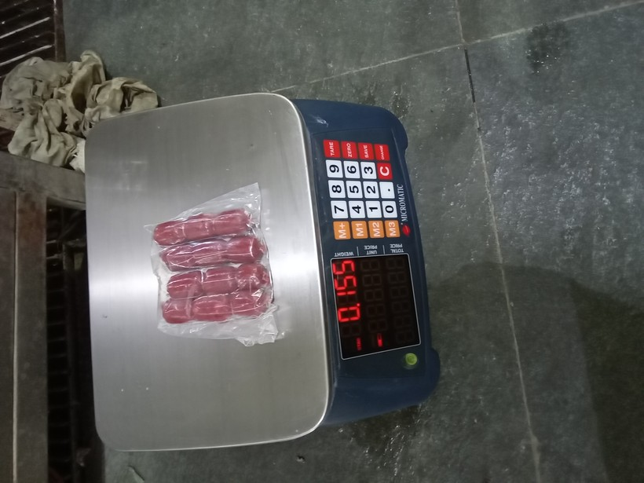 | preserved or processed meat (tocino, tapa, longaniza, etc) | 0.16 | grams (g) | 160 | 155 | 1.03 | g | sonnet sweep | log10 median | yes
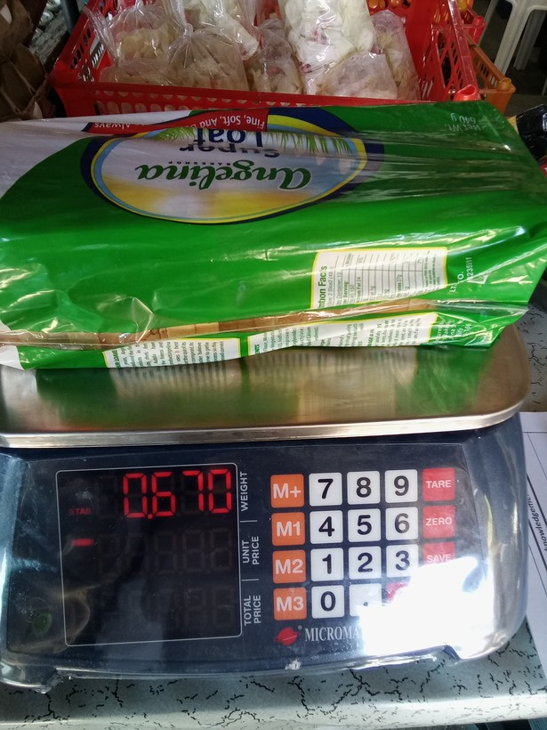
14 | 1773728699938 |  | loaf bread | 0.67000002 | grams (g) | 670 | 640 | 1.05 | g | human + g label | log10 median | no | 670 g
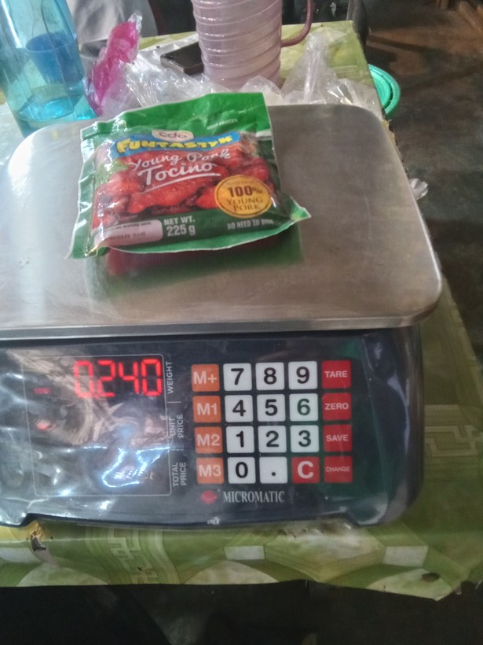
15 | 1773886941780 |  | preserved or processed meat (tocino, tapa, longaniza, etc) | 0.23999999 | grams (g) | 240 | 225 | 1.07 | g | sonnet sweep + g label | log10 median | yes
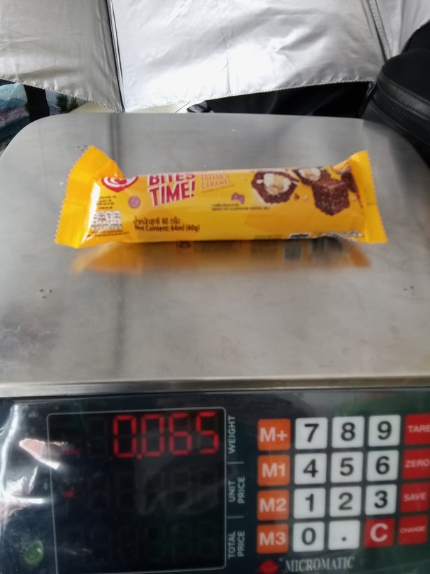
16 | 1773968256826 |  | ice cream, sorbet, edible ice (eg., ice-lolli, halo-halo) | 0.064999998 | grams (g) | 65 | 60 | 1.08 | g | sonnet sweep + g label | log10 median | yes
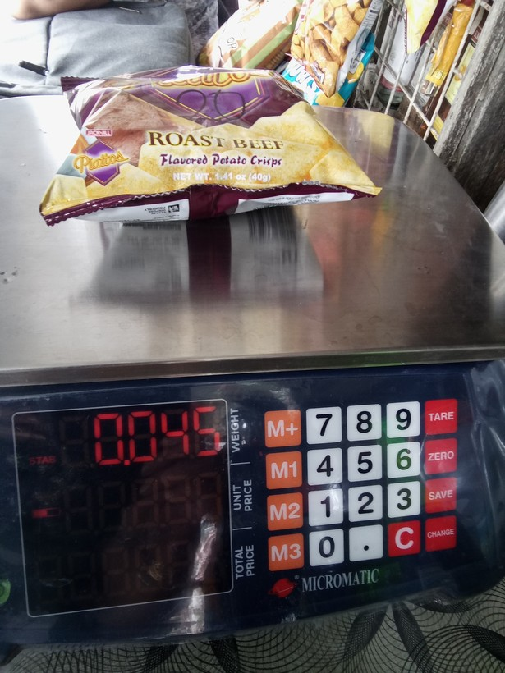
17 | 1773967474115 |  | crackers, cookies, buiscuits, chips/curls | 0.045000002 | grams (g) | 45 | 40 | 1.13 | g | sonnet sweep + g label | log10 median | yes
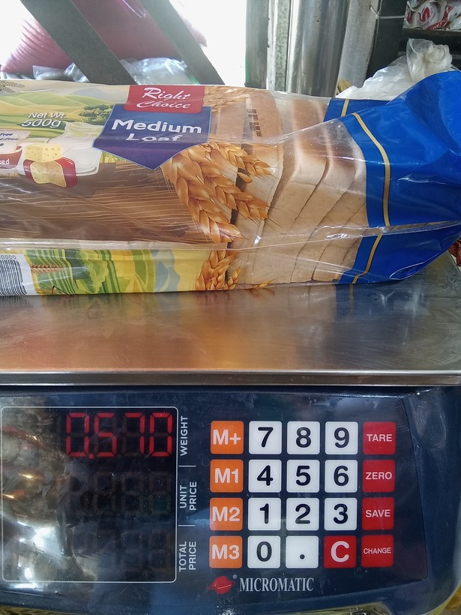
18 | 1773889635148 |  | loaf bread | 0.56999999 | grams (g) | 570 | 500 | 1.14 | g | sonnet sweep + g label | log10 median | yes
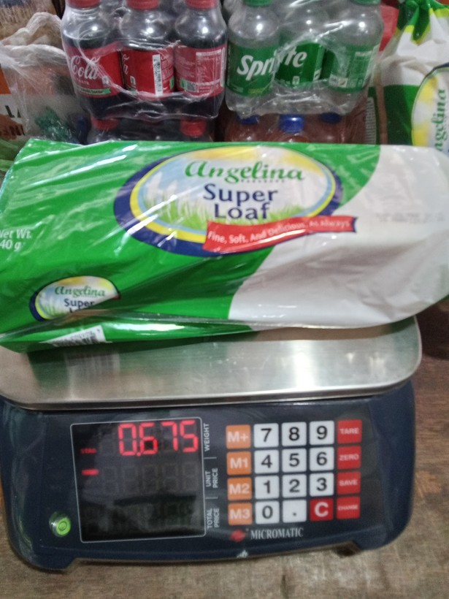
19 | 1773723661219 |  | loaf bread | 0.67500001 | grams (g) | 675 | 640 | 1.05 | g | sonnet sweep + g label | log10 median | no | 675 g
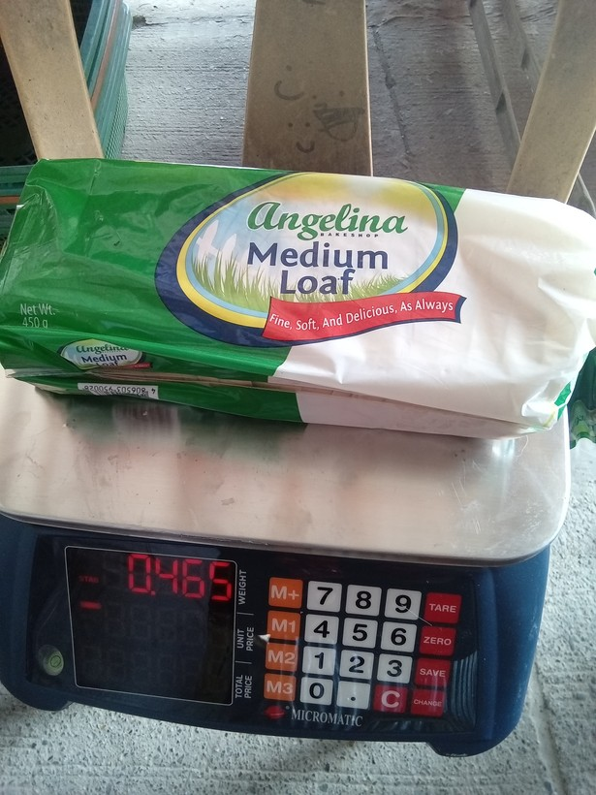
20 | 1773802376971 |  | loaf bread | 0.465 | grams (g) | 465 | 450 | 1.03 | g | sonnet sweep + g label | log10 median | yes

